LTM GCH IND 3Ph PL ECH & PTT
 |  | Standard GIS Electric Chain Hoist Price List Next day delivery upon request

Capacity - 25% Duty - 1BM /M3 | Hoist Type | Hoist Speed | Eye Suspension | Hook Suspension | Push Travel Trolley - to suit beam width |  | Additional HOL w/o Power Trolley | Electric Travel Trolley - to suit beam width |  | Additional HOL c/w Power Trolley | Standard Chain Hoists Next Day delivery available upon request

 |  | m/min | (£) 3m HOL | (£) 3m HOL | width (mm) | (£) 3m HOL | £/m | width (mm) | (£) 3m HOL | £/m

Single Speed - Hoist and Trolley options
250 | GCH250/1N | 8 | £989.00 | £1,019.00 | 50-99 | £1,119.00 | £19.00 | 50-99 | £1,836.00 | £21.00
500 | GCH250/2N | 4 | £1,084.00 | £1,114.00 | 50-99 | £1,214.00 | £34.00 | 50-99 | £1,958.00 | £36.00
 | GCH500/1N | 8 | £1,174.00 | £1,204.00 | 50-99 | £1,304.00 | £22.00 | 50-99 | £2,048.00 | £24.00
1000 | GCH500/2N | 4 | £1,294.00 | £1,324.00 | 50-99 | £1,424.00 | £40.00 | 50-99 | £2,168.00 | £42.00
 | GCH1000/1N | 8 | £1,679.00 | £1,739.00 | 76-139 | £1,899.00 | £31.00 | 76-139 | £2,633.00 | £31.00
2000 | GCH1000/2N | 4 | £1,854.00 | £1,914.00 | 76-139 | £2,074.00 | £54.00 | 76-139 | £2,808.00 | £56.00
 | GCH2000/1N | 8 | £2,474.00 | £2,624.00 | 56-119 | £2,774.00 | £54.00 | 56-119 | £3,548.00 | £56.00
3200 | GCH1600/2N | 4 | £2,464.00 | £2,614.00 | 56-119 | £2,764.00 | £74.00 | 56-119 | £3,538.00 | £76.00
4000 | GCH2000/2N | 4 | £2,754.00 | £2,904.00 | 56-119 | £3,054.00 | £104.00 | 56-119 | £3,828.00 | £105.00
5000 | GCH2500/2N | 3.2 | £3,004.00 | £3,154.00 | 56-119 | £3,304.00 | £104.00 | 56-119 | £4,448.00 | £106.00
Two Speed - Hoist and Trolley options
250 | GCH250/1NF | 8/2 | £1,089.00 | £1,119.00 | 50-99 | £1,219.00 | £19.00 | 50-99 | £2,053.00 | £21.00
500 | GCH250/2NF | 4/1 | £1,184.00 | £1,214.00 | 50-99 | £1,314.00 | £34.00 | 50-99 | £2,148.00 | £36.00
 | GCH500/1NF | 8/2 | £1,274.00 | £1,304.00 | 50-99 | £1,404.00 | £22.00 | 50-99 | £2,238.00 | £24.00
1000 | GCH500/2NF | 4/1 | £1,394.00 | £1,424.00 | 50-99 | £1,524.00 | £40.00 | 50-99 | £2,358.00 | £42.00
 | GCH1000/1NF | 8/2 | £1,779.00 | £1,839.00 | 76-139 | £1,999.00 | £29.00 | 76-139 | £2,823.00 | £31.00
2000 | GCH1000/2NF | 4/1 | £1,954.00 | £2,014.00 | 76-139 | £2,174.00 | £54.00 | 76-139 | £2,998.00 | £56.00
 | GCH2000/1NF | 8/2 | £2,574.00 | £2,724.00 | 56-119 | £2,874.00 | £54.00 | 56-119 | £3,738.00 | £56.00
3200 | GCH1600/2NF | 4/1 | £2,564.00 | £2,714.00 | 56-119 | £2,864.00 | £74.00 | 56-119 | £3,728.00 | £76.00
4000 | GCH2000/2NF | 4/1 | £2,854.00 | £3,004.00 | 56-119 | £3,154.00 | £104.00 | 56-119 | £4,018.00 | £105.00
5000 | GCH2500/2NF | 3.2/0.8 | £3,020.00 | £3,254.00 | 56-119 | £3,404.00 | £104.00 | 56-119 | £4,638.00 | £106.00

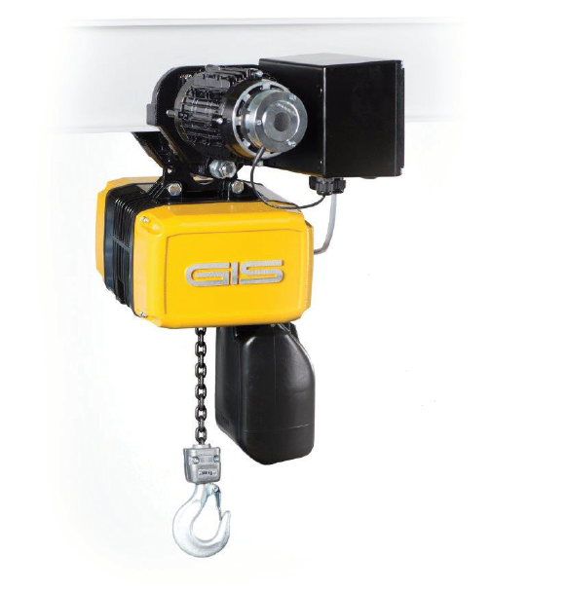
Wider beam widths on Trolleys |  |  |  |  | Prices shown are to the following specification:
Hoist Type GCH | Capacity kg | Beam width mm | Adder Price |  | * Power - 400v, 3ph, 50Hz
 |  |  |  |  | * IP 55 protection (hoist & Trolley) - IP65 option available
250/ 500 | 1000 | 50- 99 | Included |  | * Slack chain collector included
250/ 500 | 1000 | 100-149 | £10.00 |  | * Overload protection via slipping clutch
250/ 500 | 1000 | 150-200 | £20.00 |  | * Low Voltage (42v) control - contactor type
250/ 500 | 1000 | 201-240 | £30.00 |  | * Pewag G80 Galvanised load chain
1000 | 2000 | 76-139 | Included |  | * 3 metre lifting height
1000 | 2000 | 140-199 | £10.00 |  | * 12 month back to base warranty included
1000 | 2000 | 200-259 | £20.00
1000 | 2000 | 260-320 | £30.00
1600- 2500 | 5000 | 56-119 | Included
1600- 2500 | 5000 | 120-179 | £40.00
1600- 2500 | 5000 | 180-239 | £80.00

Weather Protection Options Adder Price - Please call for lead time confirmation
Protection Class | Hoist/Trolley | £ | IP Class Explained

IP65 | Hoist - All Models | £60.00 | Totally protected against dust ingress, protected against high pressure water jets from any direction. Limited ingress permitted.
IP65 | Trolley - All Models | £60.00
Product | Hoist/Trolley | £ | Additional weather protection
Weather Cover | Trolley - All Models | £50.00 | For any permanent outdoor installation we recommend IP65 as well as Weather Cover
 |  |  |  |  |  |  |  | Carriage Costs
 |  |  |  |  |  |  |  | Next Day 09:00 - 18:00 |  | £19.00
5 easy steps to work a price for a GIS electric chain hoist |  |  |  |  |  |  |  | Next Day 09:00 - 18:00 |  | £66.00
1 | Pick which hoist/hoist & trolley you require
2 | Add the lifting height for hoists over 3m HOL |  |  |  |  |  | Terms and Conditions
 | If you have picked a hoist c/w trolley check the beam width suits if not use adder price |  |  |  |  |  | * Lift Turn Move reserve the right to change the prices and specifications shown without notice
4 | If you require additional weather protection |  |  |  |  |  | * All prices are exclusive of VAT and Carriage
5 | See carriage costs |  |  |  |  |  | * Lift Turn Move Ltd Standard Terms and Conditions of sale apply

 |  | © 2016 Lift Turn Move Ltd. Any unauthorised copying, usage or repoduction is strictly forbidden

